Steering Wheel Assembly
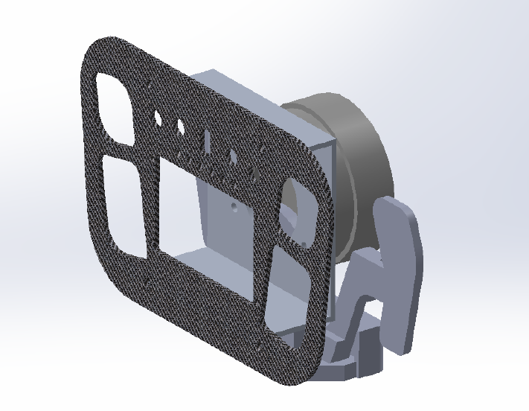
University | Hacettepe University |  |  |  |  |  |  |  | Car # | 106 |  | Asm Cost | $438.21
System | Steering System |  |  |  |  |  |  |  |  |  |  | Qty | 1
Assembly | Steering Wheel Assembly |  |  |  |  |  |  |  | FileLink1
P/N Base | A6003 |  |  |  |  |  |  |  | FileLink2 |  |  | Extended Cost | $438.21
Suffix | AA |  |  |  |  |  |  |  | FileLink3
Details

ItemOrder | Part | Part Cost | Quantity | Sub Total
10 | Steering Wheel | $49.81 | 1 | $49.810
20 | Quick Release | $18.40 | 1 | $18.400
30 | Quick Shifter Pads | $370.00 | 1 | $370.000
 |  |  |  | $-
 |  |  |  | $-
 |  |  |  | $-
 |  |  |  | $-
 |  |  |  | $-
 |  |  |  | $-
 |  |  | Sub Total | $438.210

ItemOrder | Material | Use | UnitCost | Size1 | Unit1 | Size2 | Unit2 | Area Name | Area | Length | Density | Quantity | Sub Total

 |  |  |  |  |  |  |  |  |  |  |  | Sub Total

ItemOrder | Process | Use | UnitCost | Unit | Quantity | Multiplier | Mult. Val. | Sub Total
 |  |  |  |  |  |  |  | $-
 |  |  |  |  |  |  |  | $-
 |  |  |  |  |  |  | Sub Total | $-

ItemOrder | Fastener | Use | UnitCost | Size1 | Unit1 | Size2 | Unit2 | Quantity | Sub Total
 |  |  |  |  |  |  |  |  | $-
 |  |  |  |  |  |  |  |  | $-
 |  |  |  |  |  |  |  | Sub Total | $-

ItemOrder | Tooling | Use | UnitCost | Unit | Quantity | PVF | FractionIncluded | Sub Total

 |  |  |  |  |  |  | Sub Total

Steering Wheel
University | Hacettepe University |  |  |  |  |  |  |  | Car # | 106 |  | Part Cost | $49.81
System | Steering System |  | FileLink1 |  |  |  |  |  |  |  |  | Qty | 1
Assembly | Steering Wheel Assembly |  | FileLink2 |  |  |  |  |  | FileLink1
Part | Steering Wheel |  | FileLink3 |  |  |  |  |  | FileLink2 |  |  | Extended Cost | $49.81
P/N Base | 6007 |  |  |  |  |  |  |  | FileLink3
Suffix | AA
Details

ItemOrder | Material | Use | UnitCost | Size1 | Unit1 | Size2 | Unit2 | Area Name | Area (cm^2) | Length(cm) | Density (kg/cm^3) | Quantity | Sub Total
10 | Carbon Fiber, 1 Ply | Steering Wheel Front | $200.00 | 0.108 | kg |  |  |  | 179.82 | 0.30 | 2.00000 | 4.00 | $21.60
20 | Aluminum, Normal (per kg) | Steering Wheel Back | $4.20 | 0.166 | kg |  |  |  | 205.99 | 0.30 | 2.70000 | 4.00 | $0.70

 |  |  |  |  |  |  |  |  |  |  |  |  | $-
 |  |  |  |  |  |  |  |  |  |  |  |  | $-
 |  |  |  |  |  |  |  |  |  |  |  |  | $-
 |  |  |  |  |  |  |  |  |  |  |  |  | $-
 |  |  |  |  |  |  |  |  |  |  |  |  | $-
 |  |  |  |  |  |  |  |  |  |  |  | Sub Total | $22.300

ItemOrder | Process | Use | UnitCost | Unit | Quantity | Multiplier | Mult. Val. | Sub Total
10 | Lamination, Manual | Lay-up carbon | $35.00 | m^2 | 0.179 |  |  | $6.27
20 | Drilled holes < 25.4 mm dia. | Button,LED..etc | $0.35 | hole | 28 |  |  | $9.80
30 | Non-metallic cutting > 76.2 mm | LCD Screen Hole | $1.40 | cut | 6 |  |  | $8.40
40 | Sheet metal bends | bend | $0.25 | bend | 4 |  |  | $1.00
50 | Sheet metal punching |  | $0.03 | cm^2 | 1.963 |  |  | $0.06
60 | Machining |  | $0.04 | cm^3 | 49.554 |  |  | $1.98
 |  |  |  |  |  |  |  | $-
 |  |  |  |  |  |  |  | $-
 |  |  |  |  |  |  | Sub Total | $27.51

ItemOrder | Fastener | Use | UnitCost | Size1 | Unit1 | Size2 | Unit2 | Quantity | Sub Total
 |  |  |  |  |  |  |  |  | $-
 |  |  |  |  |  |  |  |  | $-
 |  |  |  |  |  |  |  |  | $-
 |  |  |  |  |  |  |  |  | $-
 |  |  |  |  |  |  |  |  | $-
 |  |  |  |  |  |  |  |  | $-
 |  |  |  |  |  |  |  |  | $-
 |  |  |  |  |  |  |  |  | $-
 |  |  |  |  |  |  |  | Sub Total | $-

ItemOrder | Tooling | Use | UnitCost | Unit | Quantity | PVF | FracIncld | Sub Total

 |  |  |  |  |  |  | Sub Total | $-

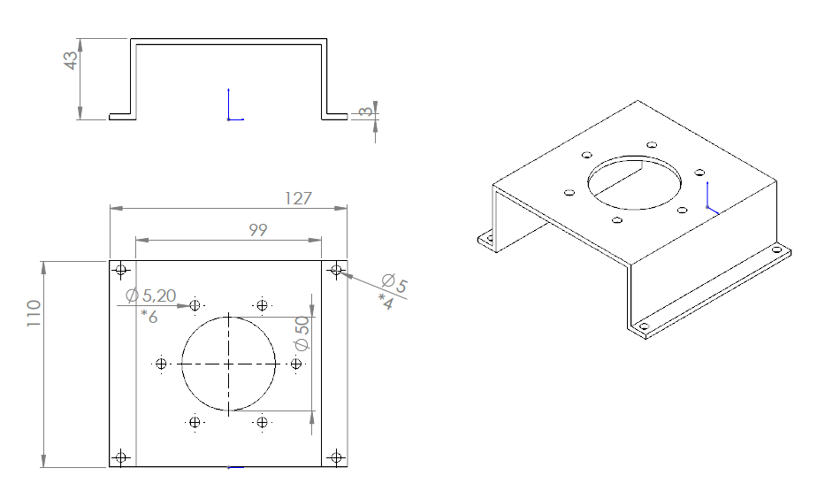
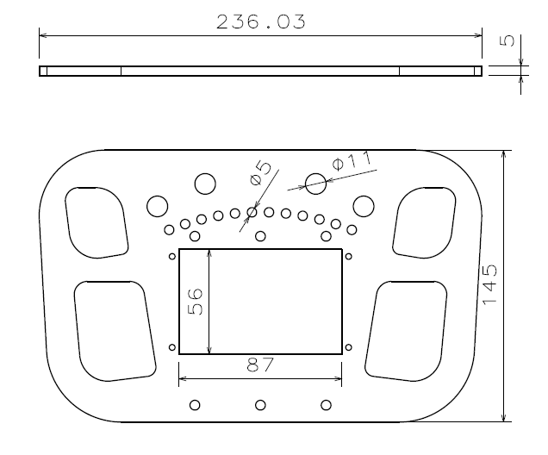

#REF! | #REF! | #REF! | #REF! | #REF! | #REF! | #REF! | #REF!
#REF! | #REF! | #REF! | #REF! | #REF! | #REF! | #REF! | #REF!
#REF! | #REF! | #REF! | #REF! | #REF! | #REF! | #REF! | #REF!
#REF! | #REF! | #REF! | #REF! | #REF! | #REF! | #REF! | #REF!
#REF! | #REF! | #REF! | #REF! | #REF! | #REF! | #REF! | #REF!
#REF! | #REF! | #REF! | #REF! | #REF! | #REF! | #REF! | #REF!
#REF! | #REF! | #REF! | #REF! | #REF! | #REF! | #REF! | #REF!
#REF! | #REF! | #REF! | #REF! | #REF! | #REF! | #REF! | #REF!
#REF! | #REF! | #REF! | #REF! | #REF! | #REF! | #REF! | #REF!
#REF! | #REF! | #REF! | #REF! | #REF! | #REF! | #REF! | #REF!
#REF! | #REF! | #REF! | #REF! | #REF! | #REF! | #REF! | #REF!
#REF! | #REF! | #REF! | #REF! | #REF! | #REF! | #REF! | #REF!
#REF! | #REF! | #REF! | #REF! | #REF! | #REF! | #REF! | #REF!
#REF! | #REF! | #REF! | #REF! | #REF! | #REF! | #REF! | #REF!
#REF! | #REF! | #REF! | #REF! | #REF! | #REF! | #REF! | #REF!
#REF! | #REF! | #REF! | #REF! | #REF! | #REF! | #REF! | #REF!
#REF! | #REF! | #REF! | #REF! | #REF! | #REF! | #REF! | #REF!
#REF! | #REF! | #REF! | #REF! | #REF! | #REF! | #REF! | #REF!
#REF! | #REF! | #REF! | #REF! | #REF! | #REF! | #REF! | #REF!
#REF! | #REF! | #REF! | #REF! | #REF! | #REF! | #REF! | #REF!
#REF! | #REF! | #REF! | #REF! | #REF! | #REF! | #REF! | #REF!
#REF! | #REF! | #REF! | #REF! | #REF! | #REF! | #REF! | #REF!
#REF! | #REF! | #REF! | #REF! | #REF! | #REF! | #REF! | #REF!
#REF! | #REF! | #REF! | #REF! | #REF! | #REF! | #REF! | #REF!
#REF! | #REF! | #REF! | #REF! | #REF! | #REF! | #REF! | #REF!
#REF! | #REF! | #REF! | #REF! | #REF! | #REF! | #REF! | #REF!
#REF! | #REF! | #REF! | #REF! | #REF! | #REF! | #REF! | #REF!
#REF! | #REF! | #REF! | #REF! | #REF! | #REF! | #REF! | #REF!
#REF! | #REF! | #REF! | #REF! | #REF! | #REF! | #REF! | #REF!
#REF! | #REF! | #REF! | #REF! | #REF! | #REF! | #REF! | #REF!
#REF! | #REF! | #REF! | #REF! | #REF! | #REF! | #REF! | #REF!
#REF! | #REF! | #REF! | #REF! | #REF! | #REF! | #REF! | #REF!
#REF! | #REF! | #REF! | #REF! | #REF! | #REF! | #REF! | #REF!
#REF! | #REF! | #REF! | #REF! | #REF! | #REF! | #REF! | #REF!
#REF! | #REF! | #REF! | #REF! | #REF! | #REF! | #REF! | #REF!
#REF! | #REF! | #REF! | #REF! | #REF! | #REF! | #REF! | #REF!
#REF! | #REF! | #REF! | #REF! | #REF! | #REF! | #REF! | #REF!
#REF! | #REF! | #REF! | #REF! | #REF! | #REF! | #REF! | #REF!
#REF! | #REF! | #REF! | #REF! | #REF! | #REF! | #REF! | #REF!
#REF! | #REF! | #REF! | #REF! | #REF! | #REF! | #REF! | #REF!
#REF! | #REF! | #REF! | #REF! | #REF! | #REF! | #REF! | #REF!
#REF! | #REF! | #REF! | #REF! | #REF! | #REF! | #REF! | #REF!
#REF! | #REF! | #REF! | #REF! | #REF! | #REF! | #REF! | #REF!
#REF! | #REF! | #REF! | #REF! | #REF! | #REF! | #REF! | #REF!
#REF! | #REF! | #REF! | #REF! | #REF! | #REF! | #REF! | #REF!
#REF! | #REF! | #REF! | #REF! | #REF! | #REF! | #REF! | #REF!
#REF! | #REF! | #REF! | #REF! | #REF! | #REF! | #REF! | #REF!
#REF! | #REF! | #REF! | #REF! | #REF! | #REF! | #REF! | #REF!
#REF! | #REF! | #REF! | #REF! | #REF! | #REF! | #REF! | #REF!
#REF! | #REF! | #REF! | #REF! | #REF! | #REF! | #REF! | #REF!
#REF! | #REF! | #REF! | #REF! | #REF! | #REF! | #REF! | #REF!
#REF! | #REF! | #REF! | #REF! | #REF! | #REF! | #REF! | #REF!
#REF! | #REF! | #REF! | #REF! | #REF! | #REF! | #REF! | #REF!
#REF! | #REF! | #REF! | #REF! | #REF! | #REF! | #REF! | #REF!
#REF! | #REF! | #REF! | #REF! | #REF! | #REF! | #REF! | #REF!
#REF! | #REF! | #REF! | #REF! | #REF! | #REF! | #REF! | #REF!
#REF! | #REF! | #REF! | #REF! | #REF! | #REF! | #REF! | #REF!
#REF! | #REF! | #REF! | #REF! | #REF! | #REF! | #REF! | #REF!
#REF! | #REF! | #REF! | #REF! | #REF! | #REF! | #REF! | #REF!
#REF! | #REF! | #REF! | #REF! | #REF! | #REF! | #REF! | #REF!
#REF! | #REF! | #REF! | #REF! | #REF! | #REF! | #REF! | #REF!
#REF! | #REF! | #REF! | #REF! | #REF! | #REF! | #REF! | #REF!
#REF! | #REF! | #REF! | #REF! | #REF! | #REF! | #REF! | #REF!
#REF! | #REF! | #REF! | #REF! | #REF! | #REF! | #REF! | #REF!
#REF! | #REF! | #REF! | #REF! | #REF! | #REF! | #REF! | #REF!
#REF! | #REF! | #REF! | #REF! | #REF! | #REF! | #REF! | #REF!
#REF! | #REF! | #REF! | #REF! | #REF! | #REF! | #REF! | #REF!
#REF! | #REF! | #REF! | #REF! | #REF! | #REF! | #REF! | #REF!
#REF! | #REF! | #REF! | #REF! | #REF! | #REF! | #REF! | #REF!
#REF! | #REF! | #REF! | #REF! | #REF! | #REF! | #REF! | #REF!
#REF! | #REF! | #REF! | #REF! | #REF! | #REF! | #REF! | #REF!
#REF! | #REF! | #REF! | #REF! | #REF! | #REF! | #REF! | #REF!
#REF! | #REF! | #REF! | #REF! | #REF! | #REF! | #REF! | #REF!
#REF! | #REF! | #REF! | #REF! | #REF! | #REF! | #REF! | #REF!
#REF! | #REF! | #REF! | #REF! | #REF! | #REF! | #REF! | #REF!
#REF! | #REF! | #REF! | #REF! | #REF! | #REF! | #REF! | #REF!
#REF! | #REF! | #REF! | #REF! | #REF! | #REF! | #REF! | #REF!
#REF! | #REF! | #REF! | #REF! | #REF! | #REF! | #REF! | #REF!
#REF! | #REF! | #REF! | #REF! | #REF! | #REF! | #REF! | #REF!
#REF! | #REF! | #REF! | #REF! | #REF! | #REF! | #REF! | #REF!
#REF! | #REF! | #REF! | #REF! | #REF! | #REF! | #REF! | #REF!
#REF! | #REF! | #REF! | #REF! | #REF! | #REF! | #REF! | #REF!
#REF! | #REF! | #REF! | #REF! | #REF! | #REF! | #REF! | #REF!
#REF! | #REF! | #REF! | #REF! | #REF! | #REF! | #REF! | #REF!
#REF! | #REF! | #REF! | #REF! | #REF! | #REF! | #REF! | #REF!
#REF! | #REF! | #REF! | #REF! | #REF! | #REF! | #REF! | #REF!
#REF! | #REF! | #REF! | #REF! | #REF! | #REF! | #REF! | #REF!
#REF! | #REF! | #REF! | #REF! | #REF! | #REF! | #REF! | #REF!
#REF! | #REF! | #REF! | #REF! | #REF! | #REF! | #REF! | #REF!
#REF! | #REF! | #REF! | #REF! | #REF! | #REF! | #REF! | #REF!
#REF! | #REF! | #REF! | #REF! | #REF! | #REF! | #REF! | #REF!
#REF! | #REF! | #REF! | #REF! | #REF! | #REF! | #REF! | #REF!
#REF! | #REF! | #REF! | #REF! | #REF! | #REF! | #REF! | #REF!
#REF! | #REF! | #REF! | #REF! | #REF! | #REF! | #REF! | #REF!
#REF! | #REF! | #REF! | #REF! | #REF! | #REF! | #REF! | #REF!
#REF! | #REF! | #REF! | #REF! | #REF! | #REF! | #REF! | #REF!
#REF! | #REF! | #REF! | #REF! | #REF! | #REF! | #REF! | #REF!
#REF! | #REF! | #REF! | #REF! | #REF! | #REF! | #REF! | #REF!
#REF! | #REF! | #REF! | #REF! | #REF! | #REF! | #REF! | #REF!
#REF! | #REF! | #REF! | #REF! | #REF! | #REF! | #REF! | #REF!
#REF! | #REF! | #REF! | #REF! | #REF! | #REF! | #REF! | #REF!
#REF! | #REF! | #REF! | #REF! | #REF! | #REF! | #REF! | #REF!
#REF! | #REF! | #REF! | #REF! | #REF! | #REF! | #REF! | #REF!
#REF! | #REF! | #REF! | #REF! | #REF! | #REF! | #REF! | #REF!
#REF! | #REF! | #REF! | #REF! | #REF! | #REF! | #REF! | #REF!
#REF! | #REF! | #REF! | #REF! | #REF! | #REF! | #REF! | #REF!
#REF! | #REF! | #REF! | #REF! | #REF! | #REF! | #REF! | #REF!
#REF! | #REF! | #REF! | #REF! | #REF! | #REF! | #REF! | #REF!
#REF! | #REF! | #REF! | #REF! | #REF! | #REF! | #REF! | #REF!
#REF! | #REF! | #REF! | #REF! | #REF! | #REF! | #REF! | #REF!
#REF! | #REF! | #REF! | #REF! | #REF! | #REF! | #REF! | #REF!
#REF! | #REF! | #REF! | #REF! | #REF! | #REF! | #REF! | #REF!
#REF! | #REF! | #REF! | #REF! | #REF! | #REF! | #REF! | #REF!
#REF! | #REF! | #REF! | #REF! | #REF! | #REF! | #REF! | #REF!
#REF! | #REF! | #REF! | #REF! | #REF! | #REF! | #REF! | #REF!
#REF! | #REF! | #REF! | #REF! | #REF! | #REF! | #REF! | #REF!
#REF! | #REF! | #REF! | #REF! | #REF! | #REF! | #REF! | #REF!
#REF! | #REF! | #REF! | #REF! | #REF! | #REF! | #REF! | #REF!
#REF! | #REF! | #REF! | #REF! | #REF! | #REF! | #REF! | #REF!
#REF! | #REF! | #REF! | #REF! | #REF! | #REF! | #REF! | #REF!
#REF! | #REF! | #REF! | #REF! | #REF! | #REF! | #REF! | #REF!
#REF! | #REF! | #REF! | #REF! | #REF! | #REF! | #REF! | #REF!
#REF! | #REF! | #REF! | #REF! | #REF! | #REF! | #REF! | #REF!
#REF! | #REF! | #REF! | #REF! | #REF! | #REF! | #REF! | #REF!
#REF! | #REF! | #REF! | #REF! | #REF! | #REF! | #REF! | #REF!
#REF! | #REF! | #REF! | #REF! | #REF! | #REF! | #REF! | #REF!
#REF! | #REF! | #REF! | #REF! | #REF! | #REF! | #REF! | #REF!
#REF! | #REF! | #REF! | #REF! | #REF! | #REF! | #REF! | #REF!
#REF! | #REF! | #REF! | #REF! | #REF! | #REF! | #REF! | #REF!
#REF! | #REF! | #REF! | #REF! | #REF! | #REF! | #REF! | #REF!
#REF! | #REF! | #REF! | #REF! | #REF! | #REF! | #REF! | #REF!
#REF! | #REF! | #REF! | #REF! | #REF! | #REF! | #REF! | #REF!
#REF! | #REF! | #REF! | #REF! | #REF! | #REF! | #REF! | #REF!
#REF! | #REF! | #REF! | #REF! | #REF! | #REF! | #REF! | #REF!
#REF! | #REF! | #REF! | #REF! | #REF! | #REF! | #REF! | #REF!
#REF! | #REF! | #REF! | #REF! | #REF! | #REF! | #REF! | #REF!
#REF! | #REF! | #REF! | #REF! | #REF! | #REF! | #REF! | #REF!
#REF! | #REF! | #REF! | #REF! | #REF! | #REF! | #REF! | #REF!

Quick Release
University | Hacettepe University |  |  |  |  |  |  |  | Car # | 106 |  | Part Cost | $18.40
System | Steering System |  | FileLink1 |  |  |  |  |  |  |  |  | Qty | 1
Assembly | Steering System Assembly |  | FileLink2 |  |  |  |  |  | FileLink1
Part | Quick Release |  | FileLink3 |  |  |  |  |  | FileLink2 |  |  | Extended Cost | $18.40
P/N Base | 6008 |  |  |  |  |  |  |  | FileLink3
Suffix | AA
Details | Sparco Quick Release

ItemOrder | Material | Use | UnitCost | Size1 | Unit1 | Size2 | Unit2 | Area Name | Area | Length | Density | Quantity | Sub Total
10 | Quick Release |  | $18.40 |  |  |  |  |  |  |  |  | 1.00 | $18.40
 |  |  |  |  |  |  |  |  |  |  |  | Sub Total | $18.400

ItemOrder | Process | Use | UnitCost | Unit | Quantity | Multiplier | Mult. Val. | Sub Total

 |  |  |  |  |  |  | Sub Total | $-

ItemOrder | Fastener | Use | UnitCost | Size1 | Unit1 | Size2 | Unit2 | Quantity | Sub Total
 |  |  |  |  |  |  |  |  | $-
 |  |  |  |  |  |  |  |  | $-
 |  |  |  |  |  |  |  |  | $-
 |  |  |  |  |  |  |  |  | $-
 |  |  |  |  |  |  |  |  | $-
 |  |  |  |  |  |  |  |  | $-
 |  |  |  |  |  |  |  |  | $-
 |  |  |  |  |  |  |  |  | $-
 |  |  |  |  |  |  |  | Sub Total | $-

ItemOrder | Tooling | Use | UnitCost | Unit | Quantity | PVF | FracIncld | Sub Total

 |  |  |  |  |  |  | Sub Total | $-

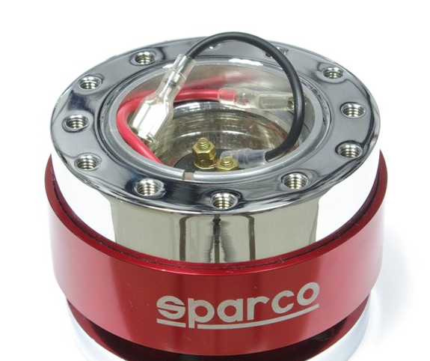

#REF! | #REF! | #REF! | #REF! | #REF! | #REF! | #REF! | #REF!
#REF! | #REF! | #REF! | #REF! | #REF! | #REF! | #REF! | #REF!
#REF! | #REF! | #REF! | #REF! | #REF! | #REF! | #REF! | #REF!
#REF! | #REF! | #REF! | #REF! | #REF! | #REF! | #REF! | #REF!
#REF! | #REF! | #REF! | #REF! | #REF! | #REF! | #REF! | #REF!
#REF! | #REF! | #REF! | #REF! | #REF! | #REF! | #REF! | #REF!
#REF! | #REF! | #REF! | #REF! | #REF! | #REF! | #REF! | #REF!
#REF! | #REF! | #REF! | #REF! | #REF! | #REF! | #REF! | #REF!
#REF! | #REF! | #REF! | #REF! | #REF! | #REF! | #REF! | #REF!
#REF! | #REF! | #REF! | #REF! | #REF! | #REF! | #REF! | #REF!
#REF! | #REF! | #REF! | #REF! | #REF! | #REF! | #REF! | #REF!
#REF! | #REF! | #REF! | #REF! | #REF! | #REF! | #REF! | #REF!
#REF! | #REF! | #REF! | #REF! | #REF! | #REF! | #REF! | #REF!
#REF! | #REF! | #REF! | #REF! | #REF! | #REF! | #REF! | #REF!
#REF! | #REF! | #REF! | #REF! | #REF! | #REF! | #REF! | #REF!
#REF! | #REF! | #REF! | #REF! | #REF! | #REF! | #REF! | #REF!
#REF! | #REF! | #REF! | #REF! | #REF! | #REF! | #REF! | #REF!
#REF! | #REF! | #REF! | #REF! | #REF! | #REF! | #REF! | #REF!
#REF! | #REF! | #REF! | #REF! | #REF! | #REF! | #REF! | #REF!
#REF! | #REF! | #REF! | #REF! | #REF! | #REF! | #REF! | #REF!
#REF! | #REF! | #REF! | #REF! | #REF! | #REF! | #REF! | #REF!
#REF! | #REF! | #REF! | #REF! | #REF! | #REF! | #REF! | #REF!
#REF! | #REF! | #REF! | #REF! | #REF! | #REF! | #REF! | #REF!
#REF! | #REF! | #REF! | #REF! | #REF! | #REF! | #REF! | #REF!
#REF! | #REF! | #REF! | #REF! | #REF! | #REF! | #REF! | #REF!
#REF! | #REF! | #REF! | #REF! | #REF! | #REF! | #REF! | #REF!
#REF! | #REF! | #REF! | #REF! | #REF! | #REF! | #REF! | #REF!
#REF! | #REF! | #REF! | #REF! | #REF! | #REF! | #REF! | #REF!
#REF! | #REF! | #REF! | #REF! | #REF! | #REF! | #REF! | #REF!
#REF! | #REF! | #REF! | #REF! | #REF! | #REF! | #REF! | #REF!
#REF! | #REF! | #REF! | #REF! | #REF! | #REF! | #REF! | #REF!
#REF! | #REF! | #REF! | #REF! | #REF! | #REF! | #REF! | #REF!
#REF! | #REF! | #REF! | #REF! | #REF! | #REF! | #REF! | #REF!
#REF! | #REF! | #REF! | #REF! | #REF! | #REF! | #REF! | #REF!
#REF! | #REF! | #REF! | #REF! | #REF! | #REF! | #REF! | #REF!
#REF! | #REF! | #REF! | #REF! | #REF! | #REF! | #REF! | #REF!
#REF! | #REF! | #REF! | #REF! | #REF! | #REF! | #REF! | #REF!
#REF! | #REF! | #REF! | #REF! | #REF! | #REF! | #REF! | #REF!
#REF! | #REF! | #REF! | #REF! | #REF! | #REF! | #REF! | #REF!
#REF! | #REF! | #REF! | #REF! | #REF! | #REF! | #REF! | #REF!
#REF! | #REF! | #REF! | #REF! | #REF! | #REF! | #REF! | #REF!
#REF! | #REF! | #REF! | #REF! | #REF! | #REF! | #REF! | #REF!
#REF! | #REF! | #REF! | #REF! | #REF! | #REF! | #REF! | #REF!
#REF! | #REF! | #REF! | #REF! | #REF! | #REF! | #REF! | #REF!
#REF! | #REF! | #REF! | #REF! | #REF! | #REF! | #REF! | #REF!
#REF! | #REF! | #REF! | #REF! | #REF! | #REF! | #REF! | #REF!
#REF! | #REF! | #REF! | #REF! | #REF! | #REF! | #REF! | #REF!
#REF! | #REF! | #REF! | #REF! | #REF! | #REF! | #REF! | #REF!
#REF! | #REF! | #REF! | #REF! | #REF! | #REF! | #REF! | #REF!
#REF! | #REF! | #REF! | #REF! | #REF! | #REF! | #REF! | #REF!
#REF! | #REF! | #REF! | #REF! | #REF! | #REF! | #REF! | #REF!
#REF! | #REF! | #REF! | #REF! | #REF! | #REF! | #REF! | #REF!
#REF! | #REF! | #REF! | #REF! | #REF! | #REF! | #REF! | #REF!
#REF! | #REF! | #REF! | #REF! | #REF! | #REF! | #REF! | #REF!
#REF! | #REF! | #REF! | #REF! | #REF! | #REF! | #REF! | #REF!
#REF! | #REF! | #REF! | #REF! | #REF! | #REF! | #REF! | #REF!
#REF! | #REF! | #REF! | #REF! | #REF! | #REF! | #REF! | #REF!
#REF! | #REF! | #REF! | #REF! | #REF! | #REF! | #REF! | #REF!
#REF! | #REF! | #REF! | #REF! | #REF! | #REF! | #REF! | #REF!
#REF! | #REF! | #REF! | #REF! | #REF! | #REF! | #REF! | #REF!
#REF! | #REF! | #REF! | #REF! | #REF! | #REF! | #REF! | #REF!
#REF! | #REF! | #REF! | #REF! | #REF! | #REF! | #REF! | #REF!
#REF! | #REF! | #REF! | #REF! | #REF! | #REF! | #REF! | #REF!
#REF! | #REF! | #REF! | #REF! | #REF! | #REF! | #REF! | #REF!
#REF! | #REF! | #REF! | #REF! | #REF! | #REF! | #REF! | #REF!
#REF! | #REF! | #REF! | #REF! | #REF! | #REF! | #REF! | #REF!
#REF! | #REF! | #REF! | #REF! | #REF! | #REF! | #REF! | #REF!
#REF! | #REF! | #REF! | #REF! | #REF! | #REF! | #REF! | #REF!
#REF! | #REF! | #REF! | #REF! | #REF! | #REF! | #REF! | #REF!
#REF! | #REF! | #REF! | #REF! | #REF! | #REF! | #REF! | #REF!
#REF! | #REF! | #REF! | #REF! | #REF! | #REF! | #REF! | #REF!
#REF! | #REF! | #REF! | #REF! | #REF! | #REF! | #REF! | #REF!
#REF! | #REF! | #REF! | #REF! | #REF! | #REF! | #REF! | #REF!
#REF! | #REF! | #REF! | #REF! | #REF! | #REF! | #REF! | #REF!
#REF! | #REF! | #REF! | #REF! | #REF! | #REF! | #REF! | #REF!
#REF! | #REF! | #REF! | #REF! | #REF! | #REF! | #REF! | #REF!
#REF! | #REF! | #REF! | #REF! | #REF! | #REF! | #REF! | #REF!
#REF! | #REF! | #REF! | #REF! | #REF! | #REF! | #REF! | #REF!
#REF! | #REF! | #REF! | #REF! | #REF! | #REF! | #REF! | #REF!
#REF! | #REF! | #REF! | #REF! | #REF! | #REF! | #REF! | #REF!
#REF! | #REF! | #REF! | #REF! | #REF! | #REF! | #REF! | #REF!
#REF! | #REF! | #REF! | #REF! | #REF! | #REF! | #REF! | #REF!
#REF! | #REF! | #REF! | #REF! | #REF! | #REF! | #REF! | #REF!
#REF! | #REF! | #REF! | #REF! | #REF! | #REF! | #REF! | #REF!
#REF! | #REF! | #REF! | #REF! | #REF! | #REF! | #REF! | #REF!
#REF! | #REF! | #REF! | #REF! | #REF! | #REF! | #REF! | #REF!
#REF! | #REF! | #REF! | #REF! | #REF! | #REF! | #REF! | #REF!
#REF! | #REF! | #REF! | #REF! | #REF! | #REF! | #REF! | #REF!
#REF! | #REF! | #REF! | #REF! | #REF! | #REF! | #REF! | #REF!
#REF! | #REF! | #REF! | #REF! | #REF! | #REF! | #REF! | #REF!
#REF! | #REF! | #REF! | #REF! | #REF! | #REF! | #REF! | #REF!
#REF! | #REF! | #REF! | #REF! | #REF! | #REF! | #REF! | #REF!
#REF! | #REF! | #REF! | #REF! | #REF! | #REF! | #REF! | #REF!
#REF! | #REF! | #REF! | #REF! | #REF! | #REF! | #REF! | #REF!
#REF! | #REF! | #REF! | #REF! | #REF! | #REF! | #REF! | #REF!
#REF! | #REF! | #REF! | #REF! | #REF! | #REF! | #REF! | #REF!
#REF! | #REF! | #REF! | #REF! | #REF! | #REF! | #REF! | #REF!
#REF! | #REF! | #REF! | #REF! | #REF! | #REF! | #REF! | #REF!
#REF! | #REF! | #REF! | #REF! | #REF! | #REF! | #REF! | #REF!
#REF! | #REF! | #REF! | #REF! | #REF! | #REF! | #REF! | #REF!
#REF! | #REF! | #REF! | #REF! | #REF! | #REF! | #REF! | #REF!
#REF! | #REF! | #REF! | #REF! | #REF! | #REF! | #REF! | #REF!
#REF! | #REF! | #REF! | #REF! | #REF! | #REF! | #REF! | #REF!
#REF! | #REF! | #REF! | #REF! | #REF! | #REF! | #REF! | #REF!
#REF! | #REF! | #REF! | #REF! | #REF! | #REF! | #REF! | #REF!
#REF! | #REF! | #REF! | #REF! | #REF! | #REF! | #REF! | #REF!
#REF! | #REF! | #REF! | #REF! | #REF! | #REF! | #REF! | #REF!
#REF! | #REF! | #REF! | #REF! | #REF! | #REF! | #REF! | #REF!
#REF! | #REF! | #REF! | #REF! | #REF! | #REF! | #REF! | #REF!
#REF! | #REF! | #REF! | #REF! | #REF! | #REF! | #REF! | #REF!
#REF! | #REF! | #REF! | #REF! | #REF! | #REF! | #REF! | #REF!
#REF! | #REF! | #REF! | #REF! | #REF! | #REF! | #REF! | #REF!
#REF! | #REF! | #REF! | #REF! | #REF! | #REF! | #REF! | #REF!
#REF! | #REF! | #REF! | #REF! | #REF! | #REF! | #REF! | #REF!
#REF! | #REF! | #REF! | #REF! | #REF! | #REF! | #REF! | #REF!
#REF! | #REF! | #REF! | #REF! | #REF! | #REF! | #REF! | #REF!
#REF! | #REF! | #REF! | #REF! | #REF! | #REF! | #REF! | #REF!
#REF! | #REF! | #REF! | #REF! | #REF! | #REF! | #REF! | #REF!
#REF! | #REF! | #REF! | #REF! | #REF! | #REF! | #REF! | #REF!
#REF! | #REF! | #REF! | #REF! | #REF! | #REF! | #REF! | #REF!
#REF! | #REF! | #REF! | #REF! | #REF! | #REF! | #REF! | #REF!
#REF! | #REF! | #REF! | #REF! | #REF! | #REF! | #REF! | #REF!
#REF! | #REF! | #REF! | #REF! | #REF! | #REF! | #REF! | #REF!
#REF! | #REF! | #REF! | #REF! | #REF! | #REF! | #REF! | #REF!
#REF! | #REF! | #REF! | #REF! | #REF! | #REF! | #REF! | #REF!
#REF! | #REF! | #REF! | #REF! | #REF! | #REF! | #REF! | #REF!
#REF! | #REF! | #REF! | #REF! | #REF! | #REF! | #REF! | #REF!
#REF! | #REF! | #REF! | #REF! | #REF! | #REF! | #REF! | #REF!
#REF! | #REF! | #REF! | #REF! | #REF! | #REF! | #REF! | #REF!
#REF! | #REF! | #REF! | #REF! | #REF! | #REF! | #REF! | #REF!
#REF! | #REF! | #REF! | #REF! | #REF! | #REF! | #REF! | #REF!
#REF! | #REF! | #REF! | #REF! | #REF! | #REF! | #REF! | #REF!
#REF! | #REF! | #REF! | #REF! | #REF! | #REF! | #REF! | #REF!
#REF! | #REF! | #REF! | #REF! | #REF! | #REF! | #REF! | #REF!
#REF! | #REF! | #REF! | #REF! | #REF! | #REF! | #REF! | #REF!
#REF! | #REF! | #REF! | #REF! | #REF! | #REF! | #REF! | #REF!
#REF! | #REF! | #REF! | #REF! | #REF! | #REF! | #REF! | #REF!
#REF! | #REF! | #REF! | #REF! | #REF! | #REF! | #REF! | #REF!

Quick Shifter Pads
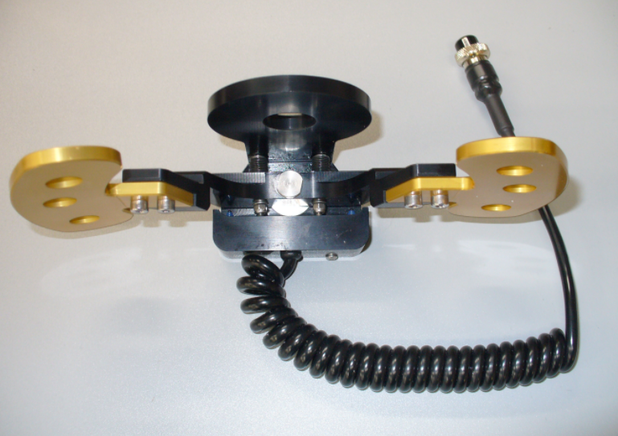
University | Hacettepe University |  |  |  |  |  |  |  | Car # | 106 |  | Part Cost | $370.00
System | Steering System |  | FileLink1 |  |  |  |  |  |  |  |  | Qty | 1
Assembly | Steering System Assembly |  | FileLink2 |  |  |  |  |  | FileLink1
Part | Quick Shifter Pads |  | FileLink3 |  |  |  |  |  | FileLink2 |  |  | Extended Cost | $370.00
P/N Base | 6009 |  |  |  |  |  |  |  | FileLink3
Suffix | AA
Details

ItemOrder | Material | Use | UnitCost | Size1 | Unit1 | Size2 | Unit2 | Area Name | Area | Length | Density | Quantity | Sub Total
10 | Shifter, Automatic, Flat Shifter Max | Flat Shifter | $370.00 | unit |  |  |  |  |  |  |  | 1.00 | $370.00
 |  |  |  |  |  |  |  |  |  |  |  | Sub Total | $370.000

ItemOrder | Process | Use | UnitCost | Unit | Quantity | Multiplier | Mult. Val. | Sub Total

 |  |  |  |  |  |  | Sub Total | $-

ItemOrder | Fastener | Use | UnitCost | Size1 | Unit1 | Size2 | Unit2 | Quantity | Sub Total
 |  |  |  |  |  |  |  |  | $-
 |  |  |  |  |  |  |  |  | $-
 |  |  |  |  |  |  |  |  | $-
 |  |  |  |  |  |  |  | Sub Total | $-

ItemOrder | Tooling | Use | UnitCost | Unit | Quantity | PVF | FracIncld | Sub Total

 |  |  |  |  |  |  | Sub Total | $-

